2023
 | INSERT TEAM NAME HERE:
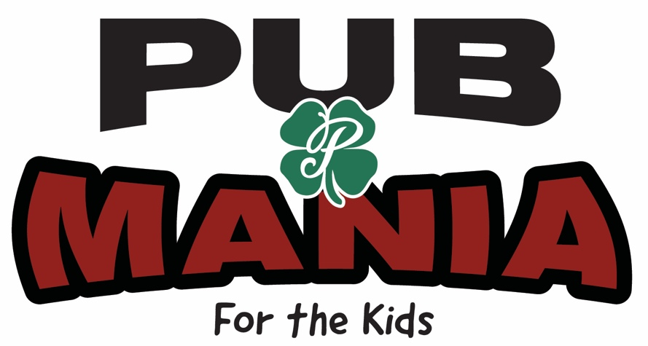

 |  |  |  | PUB MANIAC NAME | PHONE # | EMAIL | FUNDRAISING GOAL
THURSDAY, DECEMBER 7TH | 11:00:00 | Ugly Sweater Hours | Opening Ceremonies
 | 12:00:00 |  | Limerick Hour
 | 13:00:00 | Santa Head Hours | Comedy Hour*
 | 14:00:00 |  | Talent Hour**
 | 15:00:00 | Kinda-Sexy Santa Hours | Not-Too-Naughty Hour
 | 16:00:00 |  | Arts & Crafts
 | 17:00:00 | Santa Belly Hours | Mojo Trio
 | 18:00:00
 | 19:00:00 | Cowgirl - Cowboy Santa Hours | Jodie Cunningham Band
 | 20:00:00
 | 21:00:00 | Rockstar Santa Hours | Eric Grant Band
 | 22:00:00

*Jokes less than 1 minute (R-Rated or less)
**Pre-register your talent with Allan at info@patrickspub.com

